Instructions
ORGANIZATIONAL DIAGNOSTIC

This diagnostic is based on EVOLVE's proprietary Organizational Hierarchy of Needs for peak organizational performance. Here at EVOLVE, we take a collaborative, people-first approach to alignment and execution to help organizations reach that peak performance, even in hard times. The first step is taking an honest look at five key elements to see where the organization is set up for future success and where there might be opportunities for improvement. Click the next button at the bottom of the page to start the diagnostic.

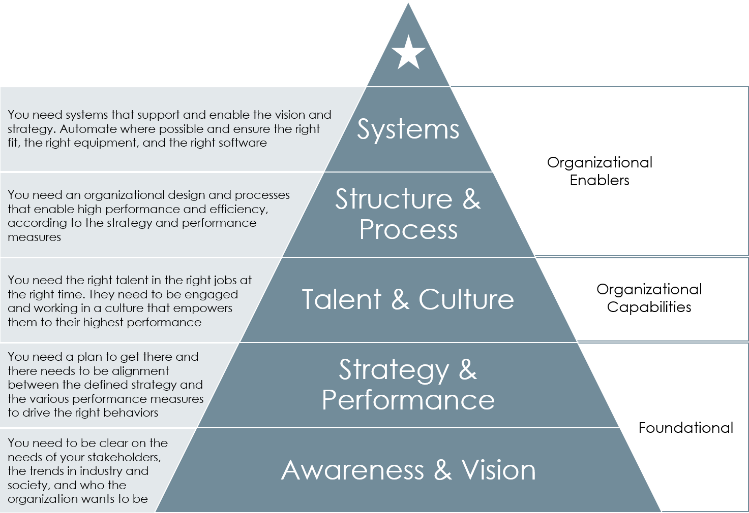

INSTRUCTIONS: After you click the button below, you will begin the diagnostic. Please use the buttons to navigate the spreadsheet in order to avoid missing a step. Once you complete all five sections (33 questions total), you will be taken to a summary report that is formatted for printing. As you take the diagnostic, think about the questions in terms of whatever organization you "own". Whether that is a region, department, team, or the entire company, the assessment works best if you are assessing things where you have the autonomy and authority to make improvements as needed. Also, make sure to be candid. This is not shared with anyone - once you download it, nobody has access except you. If it helps, enlist your direct reports to help answer the questions honestly and provide perspectives you may not have.

START THE DIAGNOSTIC

Part I - Awareness & Vision
PART I - AWARENESS & VISION

This section focuses on foundational elements that support organizational performance. For each of the statements, rate the level to which you agree your organization embodies that statement from 1 (strongly disagree) to 5 (strongly agree). The final question is open ended for you to write any notes or thoughts that came up while you were answering the diagnostic. Those notes will be copied onto the final report for your reference.

 | Key:
 |  | 1 Strongly Disagree | 2 Disagree | 3 Neutral | 4 Agree | 5 Strongly Agree

Question |  |  |  | Score (1-5)
1. The current business model has promise for continued and/or increased success based on the trends of the market and industry |  |  |  | insert score here
2. The organization has a good awareness of the customer’s needs and desires |  |  |  | insert score here
3. The organization has a good awareness of the vendor/ supplier’s needs |  |  |  | insert score here
4. The organization has a good awareness of the trends in relevant industries and how they impact the organization |  |  |  | insert score here
5. The organization has a good awareness of the trends in society and how they impact the organization |  |  |  | insert score here
6. The organization has a clear and well-socialized statement of what the organization wants to be |  |  |  | insert score here
7. The senior leadership and the board of directors have a collaborative and effective working relationship |  |  |  | insert score here

What are the key strengths and opportunities you see for your organization in this section?
insert comments here

GO BACK TO INSTRUCTIONS
CONTINUE TO PART II

Part II -Strategy & Performance
PART II - STRATEGY & PERFORMANCE

This section focuses on foundational elements that support organizational performance. For each of the statements, rate the level to which you agree your organization embodies that statement from 1 (strongly disagree) to 5 (strongly agree). The final question is open ended for you to write any notes or thoughts that came up while you were answering the diagnostic. Those notes will be copied onto the final report for your reference.

 | Key:
 |  | 1 Strongly Disagree | 2 Disagree | 3 Neutral | 4 Agree | 5 Strongly Agree

Question |  |  |  | Score (1-5)
1. The organization has defined how to maintain and/or increase their competitive advantage |  |  |  | insert score here
2. The organization has defined where there are opportunities for future growth |  |  |  | insert score here
3. The organization has a defined and regular strategic planning process |  |  |  | insert score here
4. The strategic planning process is collaborative and includes representatives from across the organization, not just the senior leadership team |  |  |  | insert score here
5. The strategic plan is actively used to inform the decision-making process |  |  |  | insert score here
6. Organizational metrics and key performance indicators (KPIs) are aligned to the strategy throughout the organization |  |  |  | insert score here
7. Execution against the strategic goals is tracked centrally and discussed regularly with the senior team and initiative owners |  |  |  | insert score here

What are the key strengths and opportunities you see for your organization in this section?
Insert comments here

GO BACK TO PART I
CONTINUE TO PART III

Part III - Talent & Culture
PART III - TALENT & CULTURE

This section focuses on the organization capabilities that support organizational performance. For each of the statements, rate the level to which you agree your organization embodies that statement from 1 (strongly disagree) to 5 (strongly agree). The final question is open ended for you to write any notes or thoughts that came up while you were answering the diagnostic. Those notes will be copied onto the final report for your reference.

 | Key:
 |  | 1 Strongly Disagree | 2 Disagree | 3 Neutral | 4 Agree | 5 Strongly Agree

Question |  |  |  | Score (1-5)
1. The organization has a comprehensive talent strategy that guides the evolution of organizational capabilities over time |  |  |  | insert score here
2. The organization’s leadership (at all levels) have the qualities that are in line with the espoused culture and supports, develops, and coaches the workforce |  |  |  | insert score here
3. The individual performance management program in the organization supports the espoused culture and business strategy |  |  |  | insert score here
4. Strategic organizational goals are aligned all the way down to individual workforce performance plans |  |  |  | insert score here
5. Recognition and reward programs (formal and informal) are aligned to the espoused culture and business strategy |  |  |  | insert score here
6. The development and training programs focus on the capabilities needed, now and in the future, to achieve the business strategy |  |  |  | insert score here
7. Key positions, and the positions that feed them, have been identified and people in the feeder positions are being developed for seamless succession planning |  |  |  | insert score here

What are the key strengths and opportunities you see for your organization in this section?
Insert comments here

GO BACK TO PART II
CONTINUE TO PART IV

Part IV - Structure & Process
PART IV - STRUCTURE & PROCESS

This section focuses on organization enablers that support organizational performance. For each of the statements, rate the level to which you agree your organization embodies that statement from 1 (strongly disagree) to 5 (strongly agree). The final question is open ended for you to write any notes or thoughts that came up while you were answering the diagnostic. Those notes will be copied onto the final report for your reference.

 | Key:
 |  | 1 Strongly Disagree | 2 Disagree | 3 Neutral | 4 Agree | 5 Strongly Agree

Question |  |  |  | Score (1-5)
1. The current organizational design is deliberate and supports the current business strategy |  |  |  | insert score here
2. Work and tasks are grouped and assigned in a deliberate and thoughtful way that aligns with the business strategy |  |  |  | insert score here
3. Everyone in the organization has meaningful work and the roles and responsibilities are clear from one position to the next |  |  |  | insert score here
4. Organizational processes to complete work are efficient and easily understandable to new employees |  |  |  | insert score here
5. Processes and procedures are regularly updated and recorded to maintain organizational knowledge despite any employee turnover |  |  |  | insert score here

What are the key strengths and opportunities you see for your organization in this section?
Insert comments here

GO BACK TO PART III
CONTINUE TO PART V

Part V - Systems
PART V - SYSTEMS

This section focuses on organization enablers that support organizational performance. For each of the statements, rate the level to which you agree your organization embodies that statement from 1 (strongly disagree) to 5 (strongly agree). The final question is open ended for you to write any notes or thoughts that came up while you were answering the diagnostic. Those notes will be copied onto the final report for your reference.

 | Key:
 |  | 1 Strongly Disagree | 2 Disagree | 3 Neutral | 4 Agree | 5 Strongly Agree

Question |  |  |  | Score (1-5)
1. Technology was created to serve the business strategy and defined processes, not the other way around |  |  |  | insert score here
2. Everyone in the organization has access to all of the technology they need (hardware and software) to do their jobs efficiently |  |  |  | insert score here

What are the key strengths and opportunities you see for your organization in this section?
Insert comments here

GO BACK TO PART IV
GET RESULTS

Results
 | ORGANIZATIONAL DIAGNOSTIC RESULTS | NEXT STEPS
Awareness & Vision | 0.00
Strategy & Performance | 0.00
Talent & Culture | 0.00
Structure & Process | 0.00
Systems | 0.00
 |  | Now that you have taken the time to reflect on your organization and take stock of where you are strong and where there are opportunities to improve organizational performance, the next step is creating a plan to move the organization forward. I find that if the work can be done in a collaborative way that involves the broader workforce, the end results are more impressive and the organization more easily gets behind the initaitive because their voice is heard. Additionally, the more work can be done as part of existing work processes (like the budget and annual planning processes), the more the resistance to spend time on these efforts is limited. EVOLVE can help with this process - from reflecting on the results to doing collaborative planning sessions to implementation and coaching through any adjustments. If you are ready to have a conversation, reach out to Mary (Founder at EVOLVE) directly at mary @evolveYourPerformance.com to schedule a conversation to see how we can help. You can attach your diagnostic, if you choose, to the email so that the conversation can be that much more productive.

DIAGNOSTIC RESULTS

The results below are based on the average of your scores in each of the five sections. These statements are all value statements based on my research into the elements important for high performing organizations. How to read the chart: The five points on the chart represent the five sections. The point represents the average score based on your entry. The further the point is to the outer edge of the chart, the better you feel your organization is doing in that area. The closer the data point is to the center of the chart, the more opportunities you have to impact and improve organizational performance in these areas. If you would like to discuss your diagnostic further and have a conversation on how EVOLVE might be able to help, please reach out to Mary directly at mary@evolveYourPerformance.com to schedule some time.

ORGANIZATION HIERARCHY OF NEEDS

 |  | 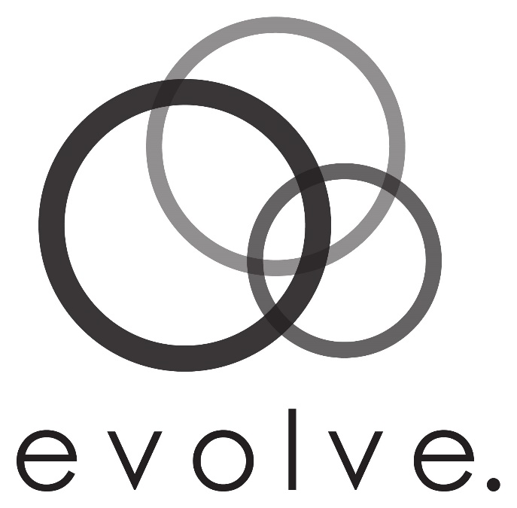
 | NARRATIVE RESPONSES

We look forward to working with you!
 | Awareness & Vision
 | insert comments here

 | Strategy & Performance
 | Insert comments here

 | Talent & Culture
 | Insert comments here

 | Structure & Process
 | Insert comments here

 | Systems
 | Insert comments here

Calculations
 | Q1 | Q2 | Q3 | Q4 | Q5 | Q6 | Q7 | Q8 | Average
Awareness & Vision | insert score here | insert score here | insert score here | insert score here | insert score here | insert score here | insert score here | insert comments here | #DIV/0!
Strategy & Performance | insert score here | insert score here | insert score here | insert score here | insert score here | insert score here | insert score here | Insert comments here | #DIV/0!
Talent & Culture | insert score here | insert score here | insert score here | insert score here | insert score here | insert score here | insert score here | Insert comments here | #DIV/0!
Structure & Process | insert score here | insert score here | insert score here | insert score here | insert score here | Insert comments here |  |  | #DIV/0!
Systems | insert score here | insert score here | Insert comments here |  |  |  |  |  | #DIV/0!

